Sheet1
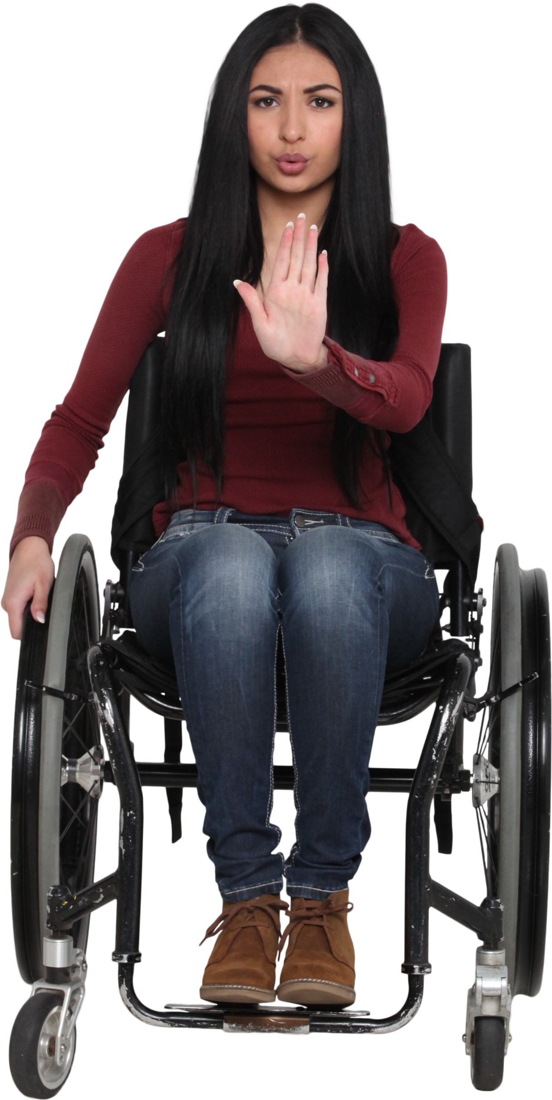
String | Answer Expected
Nosta*lg*ia | Nosta
Re*sili*en*ce | Rile
E**loqu**ence | oqnce
Euphoria********* | Euphori
Eff****or*t | Ef
A*n*t
Un**iv**ersity | Ursity
Acad*********emic | Acamic
S*e*r*e*n*dipity****** | ipit
Remove one alphabet left and one alphabet right to the asterisks in given strings. Asterisks themselves are not part of the answer.

